SOP
Standard Operating Procedure
Date | 2019-03-08
Originator | Nathalie Ritchie
Team | Supply Chain CSR, Global Strategy

Operation Name |  | Embedding relevant Supply Chain CSR/Sustainability considerations into SSP |  | Page | 1 of 1

No. | Main Operating Steps | Key Points | Explanation / Examples / Diagrams

1 | Introduction | The approach has been designed to ensure relevant Sustainability criteria are considered in the SSP | To meet audit requirements (ISO 14001 and ISO 50001) and drive alignment to Sustainable Procurement Guidance standard (ISO 20400)
2 | Context: Relevancy & heat mapping | Step 1: A basic relevancy decision matrix has been created against 4 fundamental CSR/Sustainability considerations | 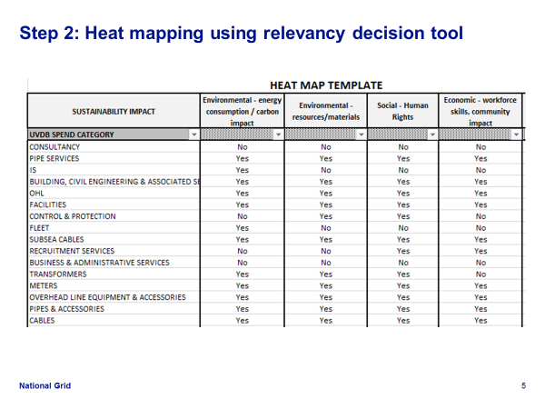 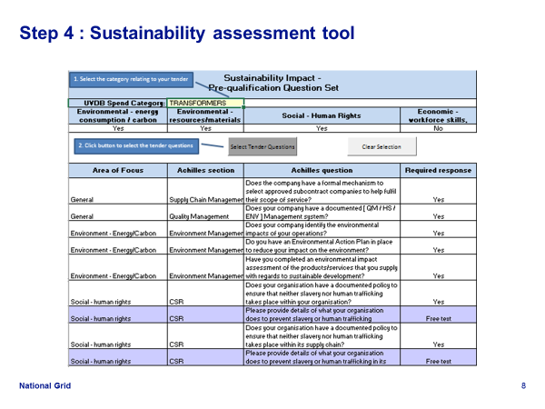 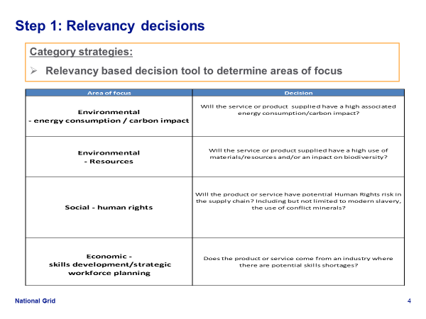 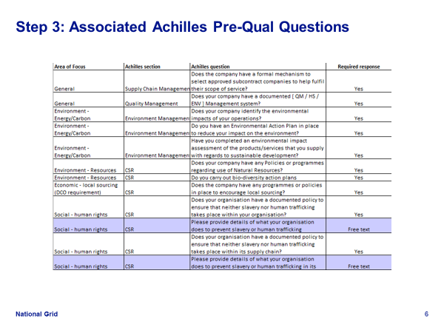
 |  | Step 2: A heat mapping has been undertaken against the UVDB categories of spend using the 4 CSR/Sustainability considerations
 |  | Step 3: The relevant Achilles questions have been allocated to the 4 CSR/Sustainability areas of consideration
Require positive responses to yes/no questions
Guidance provided on Free text responses
 |  | Step 4: A Sustainability Assessment Tool has been developed using the heat mapping allocation
Choose category from drop down options
3 | Using the Sustainability Assessment Tool | Step 1: Using the worksheet 'Relevant Achilles Questions' - Choose the relevant UVDB category of spend for your sourcing activity | 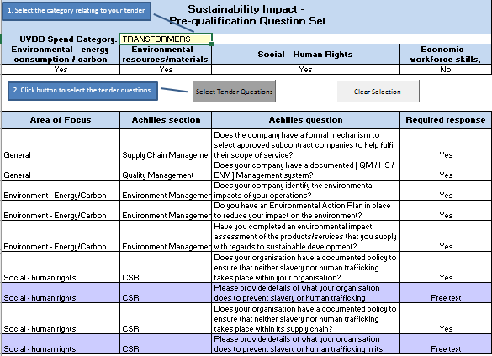 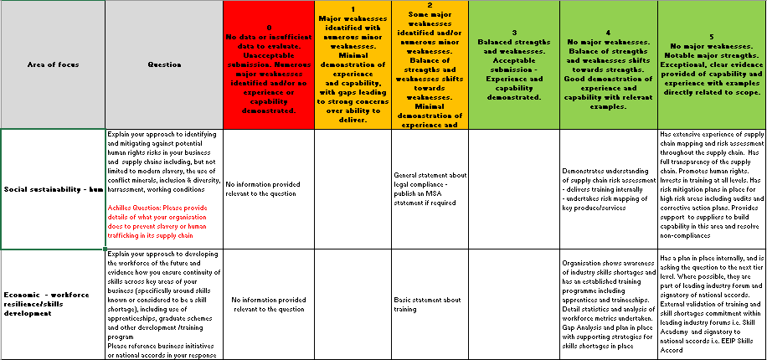
 |  | Step 2: Click on 'select tender questions'
 |  | Step 3: Review associated Achilles UVDB Questions : Positive response required to yes/no questions
Click here to show relevant question set
 |  | Step 4: Assess free text responses using Evaluation Guidance provided
Last Update by Name/Position | Date | Name / Position Approver | Date | Next Review due by | Date
Nathalie Ritchie | 2019-03-08

Relevant Achilles Questions
1. Select the category relating to your tender
Sustainability Impact - Pre-qualification Question Set
UVDB Spend Category: | BUILDING, CIVIL ENGINEERING & ASSOCIATED SERVICES
Environmental - energy consumption / carbon impact | Environmental - resources/materials | Social - Human Rights | Economic - workforce skills, community impact
Yes | Yes | Yes | Yes
2. Click button to select the tender questions
Area of Focus | Achilles section | Achilles question | Required response
General | Supply Chain Management | Does your organisation have a formal mechanism to select approved subcontract companies to help fulfil its scope of service? | Yes
General | Quality Assurance | Does your organisation have one or more documented Quality Management System (QMS)? | Yes
Environment - Energy/Carbon | Environmental | Does your organisation have a documented Environmental Management System (EMS)? | Yes
Environment - Energy/Carbon | Environmental | Does your organisation identify the environmental impacts of its operations? | Yes
Environment - Energy/Carbon | Environmental | Do you have an Environmental Action Plan in place to reduce your impact on the environment? | Yes
Environment - Energy/Carbon | Environmental | Have you completed an environmental impact assessment of the products/services that you supply with regards to sustainable development? | Yes
Environment - Resources | Responsible Sourcing and Social Responsibility | Does your company have any Policies or programmes regarding use of Natural Resources? | Yes
Environment - Resources | Environmental | Does your organisation carry out Biodiversity Action Plans (BAP)? | Yes
Economic - workforce skills, community impact | Responsible Sourcing and Social Responsibility | Does the company have any programmes or policies in place to encourage local sourcing? | Yes
Economic - workforce skills, community impact | Supply Chain Management | Is your organisation actively committed to Workforce Sustainability/Resilience to ensure continuity of operational and technical skills across the sector? | Yes
Economic - workforce skills, community impact | Supply Chain Management | Has your organisation completed a Strategic Workforce Plan? | Yes
Social - human rights | Responsible Sourcing and Social Responsibility | Does your organisation have a documented policy to ensure that neither slavery nor human trafficking takes place within your organisation? | Yes
Social - human rights | Responsible Sourcing and Social Responsibility | Provide details of what your organisation does to prevent slavery or human trafficking | Free text
Social - human rights | Responsible Sourcing and Social Responsibility | Does your organisation have a documented policy to ensure that neither slavery nor human trafficking takes place within its supply chain? | Yes
Social - human rights | Responsible Sourcing and Social Responsibility | Provide details of what your organisation does to prevent slavery or human trafficking in its supply chain | Free text

